GDV
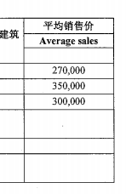
Items | Description | Unit built | Land size (sqm) | House Size per Unit (sqm) | Avg. Unit Price (USD'000) | Revenue (USD'000)
1 | Villa Type A (2F) | 21 | 92.66 | 159.28 | 270.0 | 5,670.0 | 270.0 | 47,784.7
2 | Villa Type B (3F) | 11 | 171.60 | 294.98 | 350.0 | 3,850.0 | 350.0 | 88,494.0
3 | Villa Type C (2F) | 16 | 125.84 | 216.32 | 300.0 | 4,800.0 | 300.0 | 64,895.6
4 | Landscape & Plaza
5 | Main Gate
6 | Road and Walkway
Projected GDV |  |  |  |  |  | 14,320.0

 |  | 48 |  |  | GDV

Cost
Items | Description | Unit Cost (USD'000) | Unit | Total Cost (USD'000) | House Size per Unit
1 | Land |  |  | 5,618.5
2 | Villa Type A (2F) | 95.57 | 21 | 2,007.0 | 159.28 | 600.00
3 | Villa Type B (3F) | 176.99 | 11 | 1,946.9 | 294.98 | 600.00
4 | Villa Type C (2F) | 129.79 | 16 | 2,076.7 | 216.32 | 600.00
5 | Community Mall |  | 2 | 175.0
8 | Club House |  | 1 | 35.0
9 | Road & Walkway |  |  | 270.0
 | Operating Expense
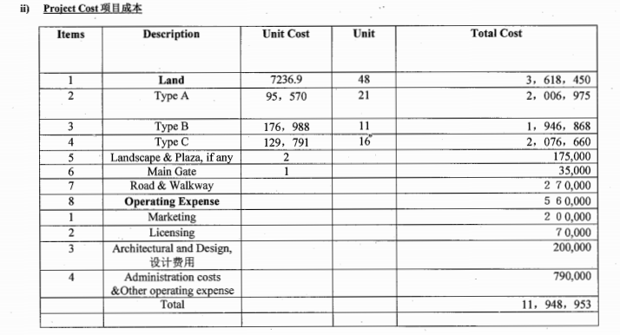
1 | Marketing |  |  | 200.0
2 | Licensing |  |  | 70.0
3 | Architectural and Design |  |  | 200.0
4 | Staff Salary |  |  | 790.0
Total |  |  |  | 13,389.0

PE
Note:
The breakeven sales is calculated as below:-
Total sales of 48 units = USD14,320K
Then, average sales per unit = USD298.34K
With Gross Development Cost = USD12,130.4K
Therefore, breakeven sales = USD14,320K/USD298.34K= 41 units
Project Economics | USD'000 |  |  | No. | Property Type | Total Unit | Avg. Sell Price | Redemption Sum (USD) | Redemption Sum (USD) | Take up rate 100% | Take up rate 80% | Take up rate 60%
Projected Sales Revenue | 14,320.0 | 48 |  | 1 | Villa Type A | 21 | 270.00 | 95.0 | 100.0 | 2,100.0 | 1,680.0 | 1,260.0
Less:- |  |  |  | 2 | Villa Type B | 11 | 350.00 | 123.0 | 120.0 | 1,320.0 | 1,056.0 | 792.0
Building Cost | 6,030.5 |  |  | 3 | Villa Type C | 16 | 300.00 | 105.0 | 100.0 | 1,600.0 | 1,280.0 | 960.0
Land Cost | 5,618.5 |  |  | 5
Infrastructure Cost | 480.0 |  |  | 6
Operating Expense | 1,260.0
Financing Cost (as per loan calculator) | 741.5 | 541.46 | 200 | 7
Total Gross Development Cost | 14,130.5 |  |  | Total Redemption |  | 48 |  |  |  | 5,020 | 4,016 | 3,012
Gross Development Profit | 189.5 |  |  | Loan Amount |  |  |  |  |  | 2,500 | 2,500 | 2,500
Net Profit Margin | 1.3% | Average Unit |  | Redemption Coverage |  |  |  |  |  | 2.01 | 1.61 | 1.20
Breakeven Sales | 41 Units | 298.33333333 | 47

(*) half of total land value of USD12,904K (ref: security section page 5&6, Property 3 & Property4)

